WWF BREAK DOWN
WWF BREAK DOWN FOR INTERNAL DOCUMENTS AND CONTRACTS

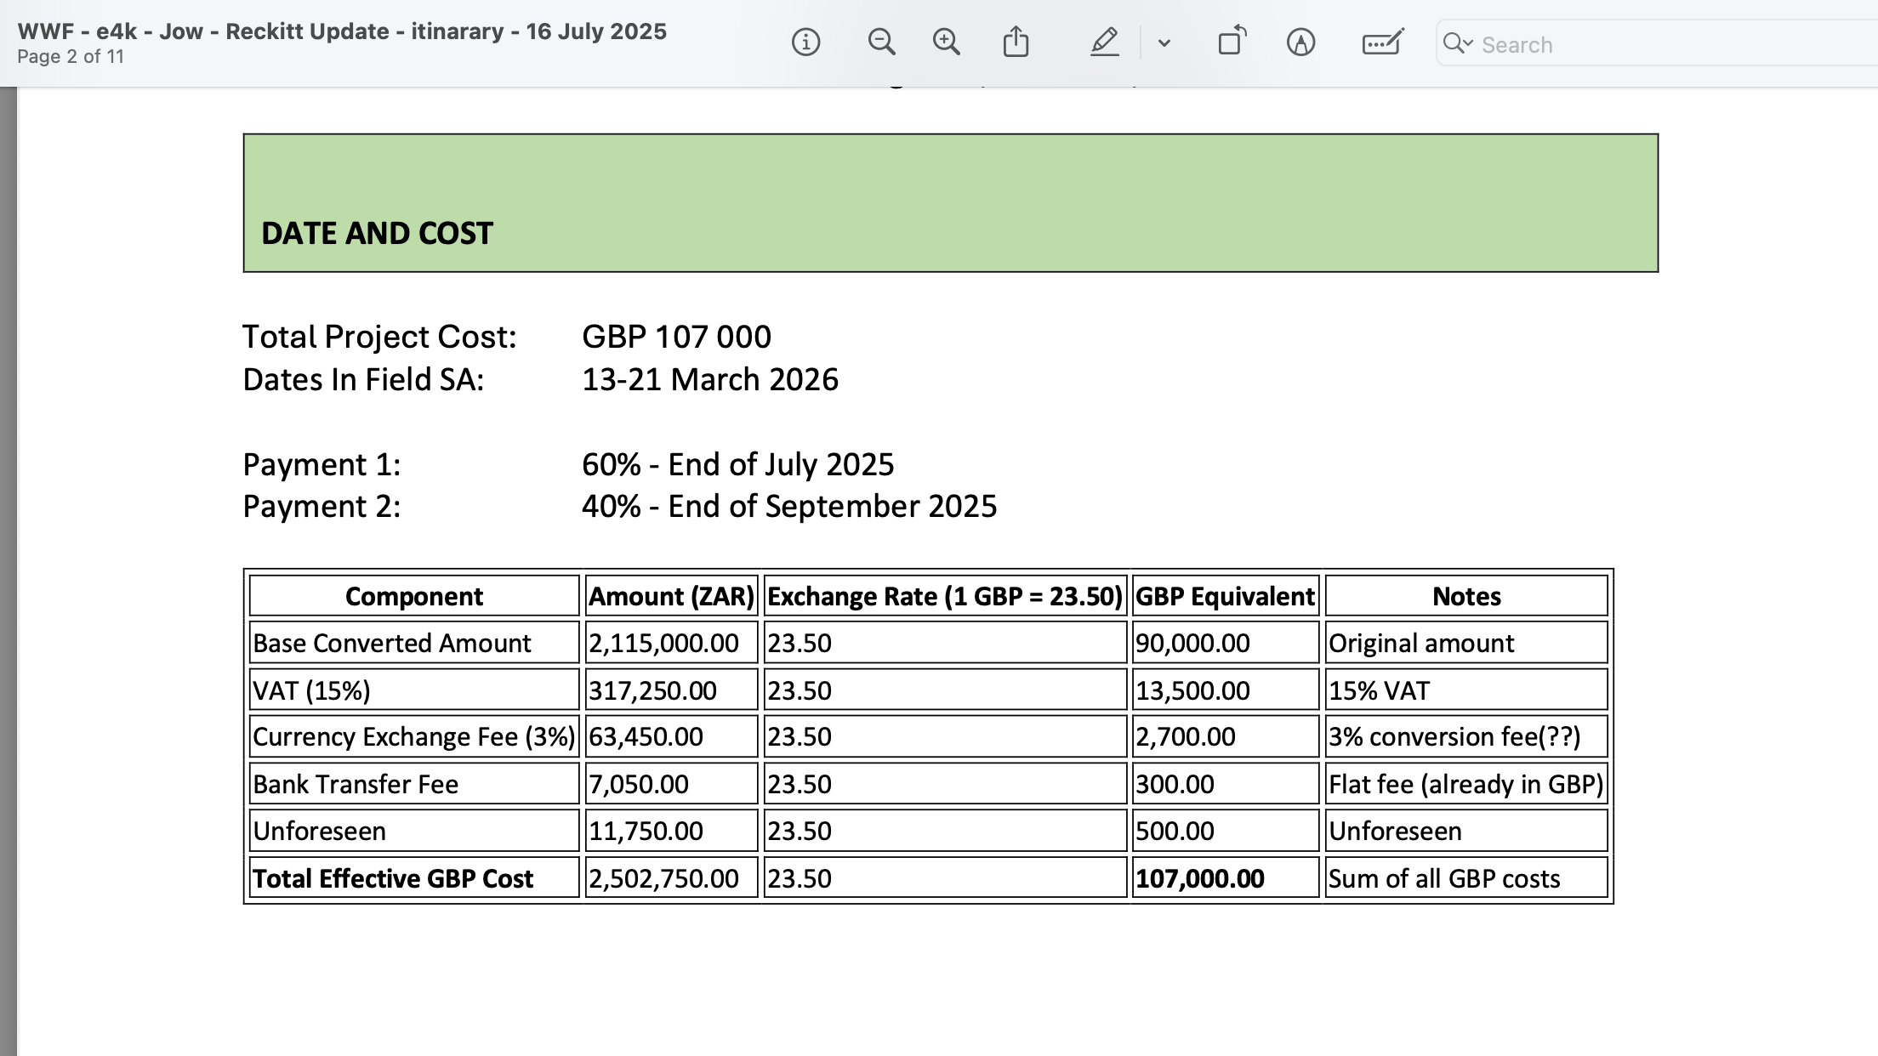

 | Component | Amount (ZAR) | Exchange Rate (1 GBP = 23.50) | GBP Equivalent | Notes
 | Base Converted Amount | 2,115,000.00 | 23.50 | 90,000.00 | Original amount
 | VAT (15%) | 317,250.00 | 23.50 | 13,500.00 | 15% VAT
 | Currency Exchange Fee (3%) | 63,450.00 | 23.50 | 2,700.00 | 3% conversion fee(??)
 | Bank Transfer Fee | 7,050.00 | 23.50 | 300.00 | Flat fee (already in GBP)
 | Unforeseen | 11,750.00 | 23.50 | 500.00 | Unforeseen
 | Total Effective GBP Cost | 2,502,750.00 | 23.50 | 107,000.00 | Sum of all GBP costs

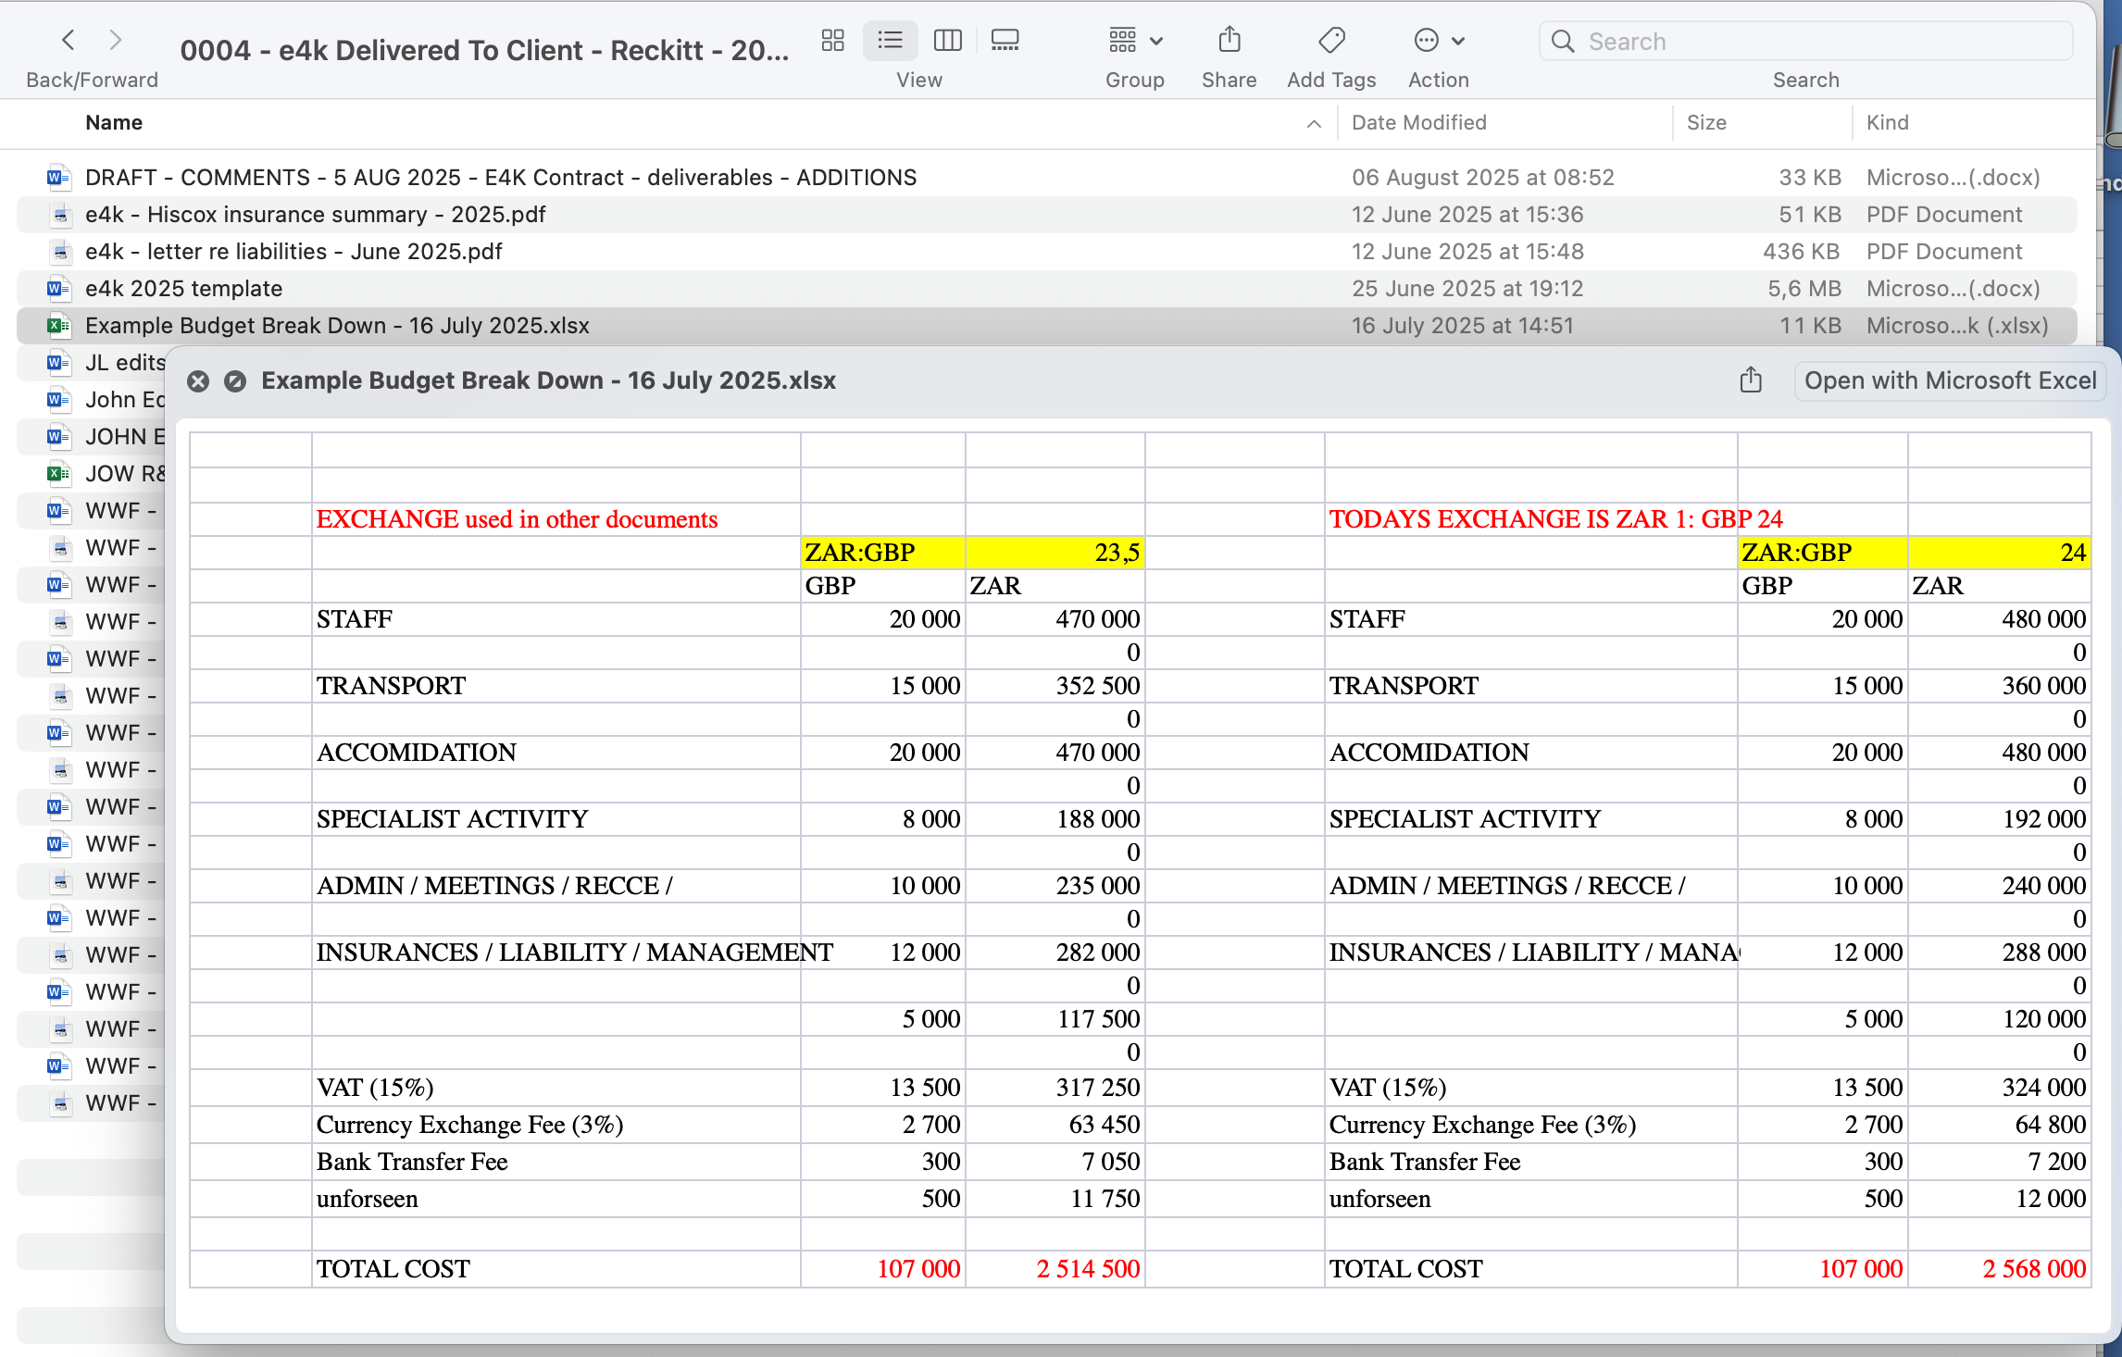
 | EXCHANGE used in other documents |  |  |  | TODAYS EXCHANGE IS ZAR 1: GBP 24
 |  | ZAR:GBP | 23.5 |  |  | ZAR:GBP | 24
 |  | GBP | ZAR |  |  | GBP | ZAR
 | STAFF | 20,000.00 | 470,000.00 |  | STAFF | 20,000.00 | 480,000.00
 |  |  | - |  |  |  | -
 | TRANSPORT | 15,000.00 | 352,500.00 |  | TRANSPORT | 15,000.00 | 360,000.00
 |  |  | - |  |  |  | -
 | ACCOMIDATION | 20,000.00 | 470,000.00 |  | ACCOMIDATION | 20,000.00 | 480,000.00
 |  |  | - |  |  |  | -
 | SPECIALIST ACTIVITY | 8,000.00 | 188,000.00 |  | SPECIALIST ACTIVITY | 8,000.00 | 192,000.00
 |  |  | - |  |  |  | -
 | ADMIN / MEETINGS / RECCE / | 10,000.00 | 235,000.00 |  | ADMIN / MEETINGS / RECCE / | 10,000.00 | 240,000.00
 |  |  | - |  |  |  | -
 | INSURANCES / LIABILITY / MANAGEMENT | 12,000.00 | 282,000.00 |  | INSURANCES / LIABILITY / MANAGEMENT | 12,000.00 | 288,000.00
 |  |  | - |  |  |  | -
 |  | 5,000.00 | 117,500.00 |  |  | 5,000.00 | 120,000.00
 |  |  | - |  |  |  | -
 | VAT (15%) | 13,500.00 | 317,250.00 |  | VAT (15%) | 13,500.00 | 324,000.00
 | Currency Exchange Fee (3%) | 2,700.00 | 63,450.00 |  | Currency Exchange Fee (3%) | 2,700.00 | 64,800.00
 | Bank Transfer Fee | 300.00 | 7,050.00 |  | Bank Transfer Fee | 300.00 | 7,200.00
 | unforseen | 500.00 | 11,750.00 |  | unforseen | 500.00 | 12,000.00

 | TOTAL COST | 107,000.00 | 2,514,500.00 |  | TOTAL COST | 107,000.00 | 2,568,000.00

